Application Screen
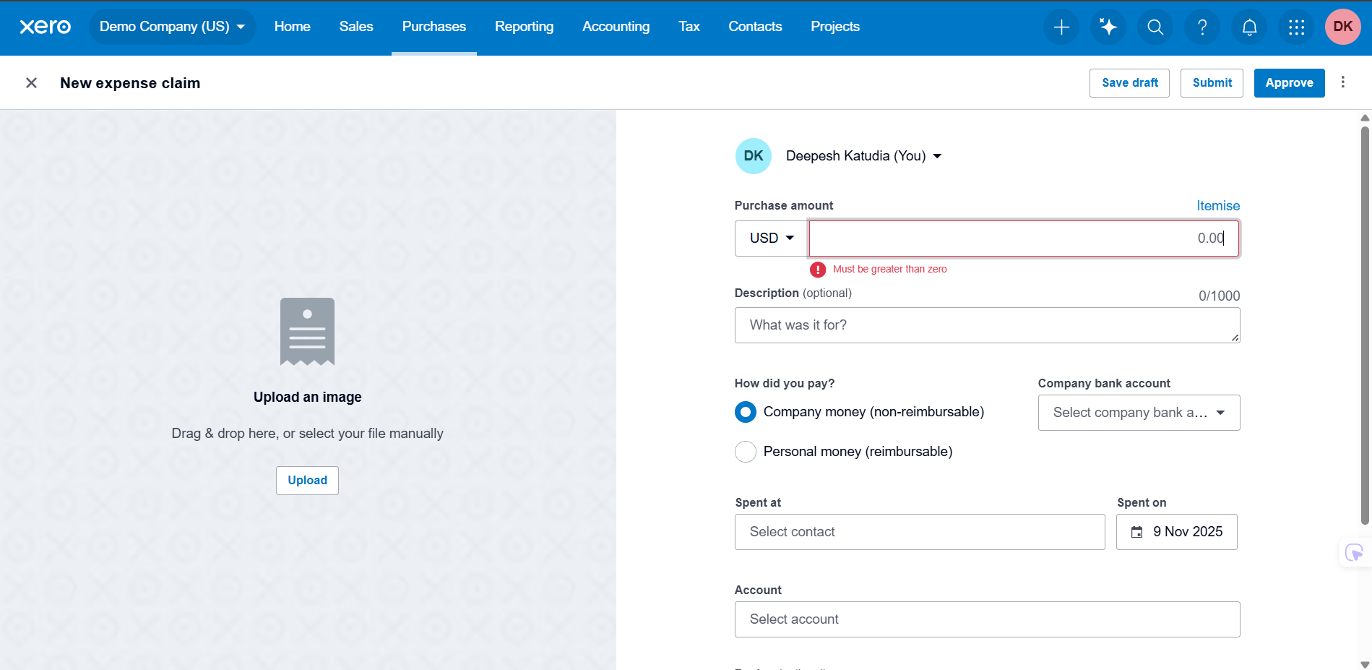
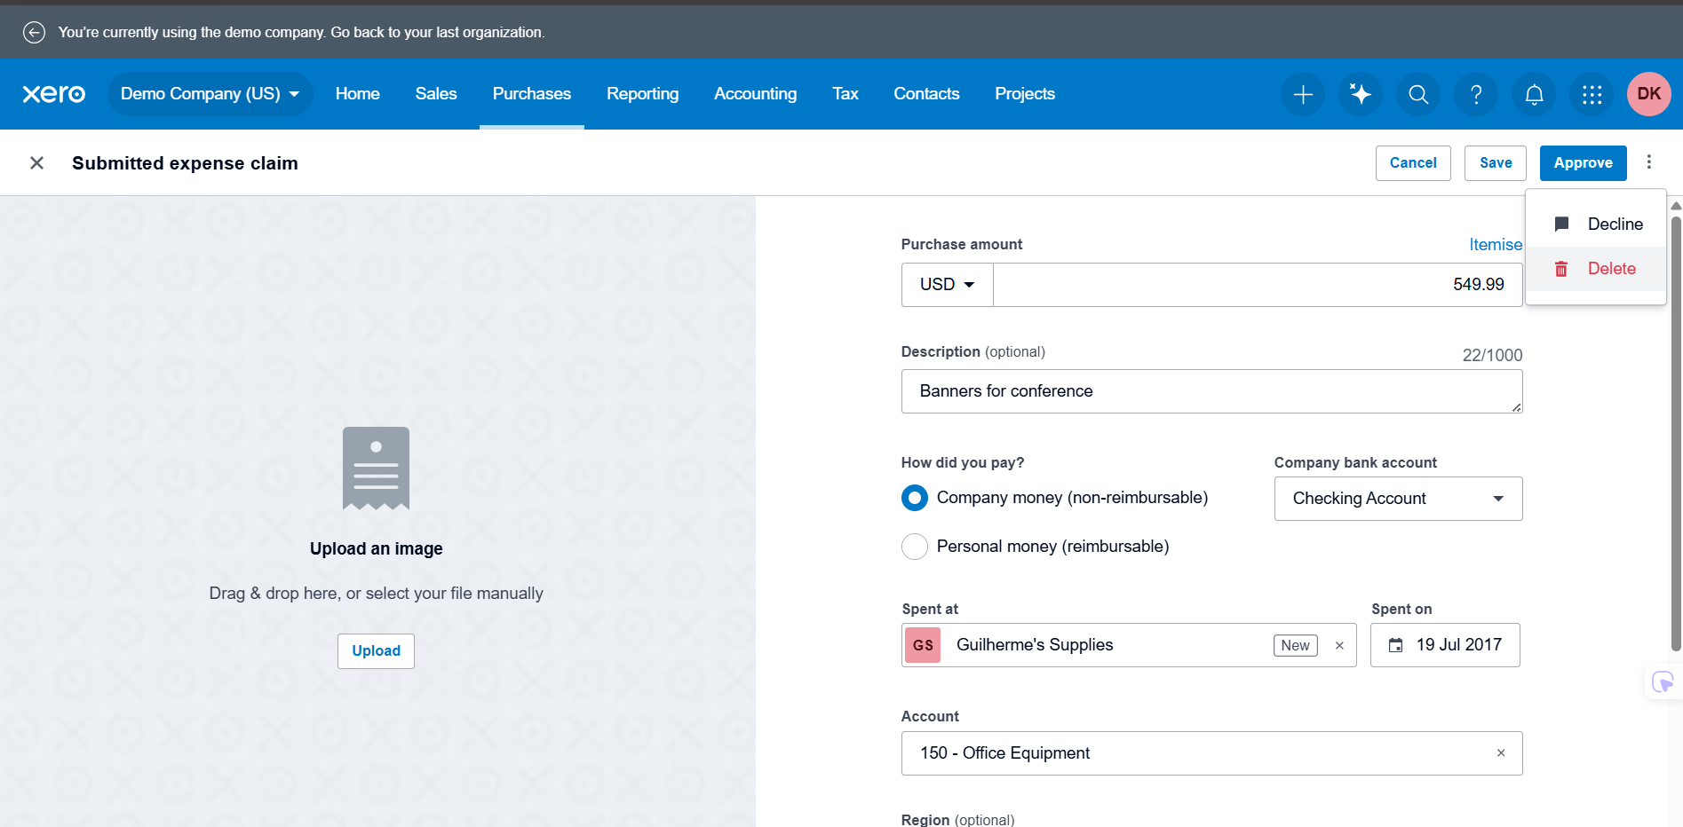
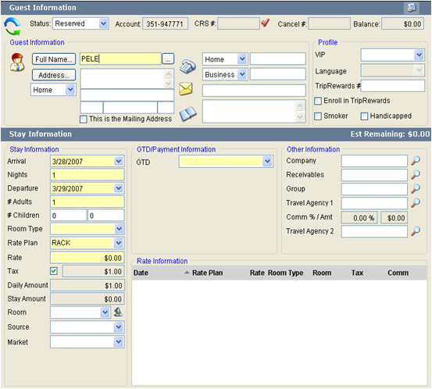

Test Case 11
TC Title: | TC11. Edit expense claim – GUI testing

TC Objective: | The objective of this test case is to verify that the Edit Expense Claim page UI elements are displayed correctly, consistently, and in compliance with Xero’s design standards. This includes validating labels, field alignment, button placement, font consistency, spacing, color usage, form layout, and visibility of mandatory indicators. The test ensures that the GUI provides a clear and intuitive editing experience without visual defects.

Test Data (optional): | User Role: Advisor or Standard user with permission to access Expense Claims. Existing Claim: A Draft expense claim must exist for editing. The claim should contain the following editable fields: - Date - Category - Amount - Description - Tax Rate Environment: Browser: Google Chrome (latest version) Screen Resolution: 1920x1080 (perform resizing tests) Demo Company (US) must be selected as the active organization. Additional UI Verification Data: - Mandatory fields indicator (example: *) - Tooltip-enabled icons (Help, Attachments, More Options)

 |  |  |  | 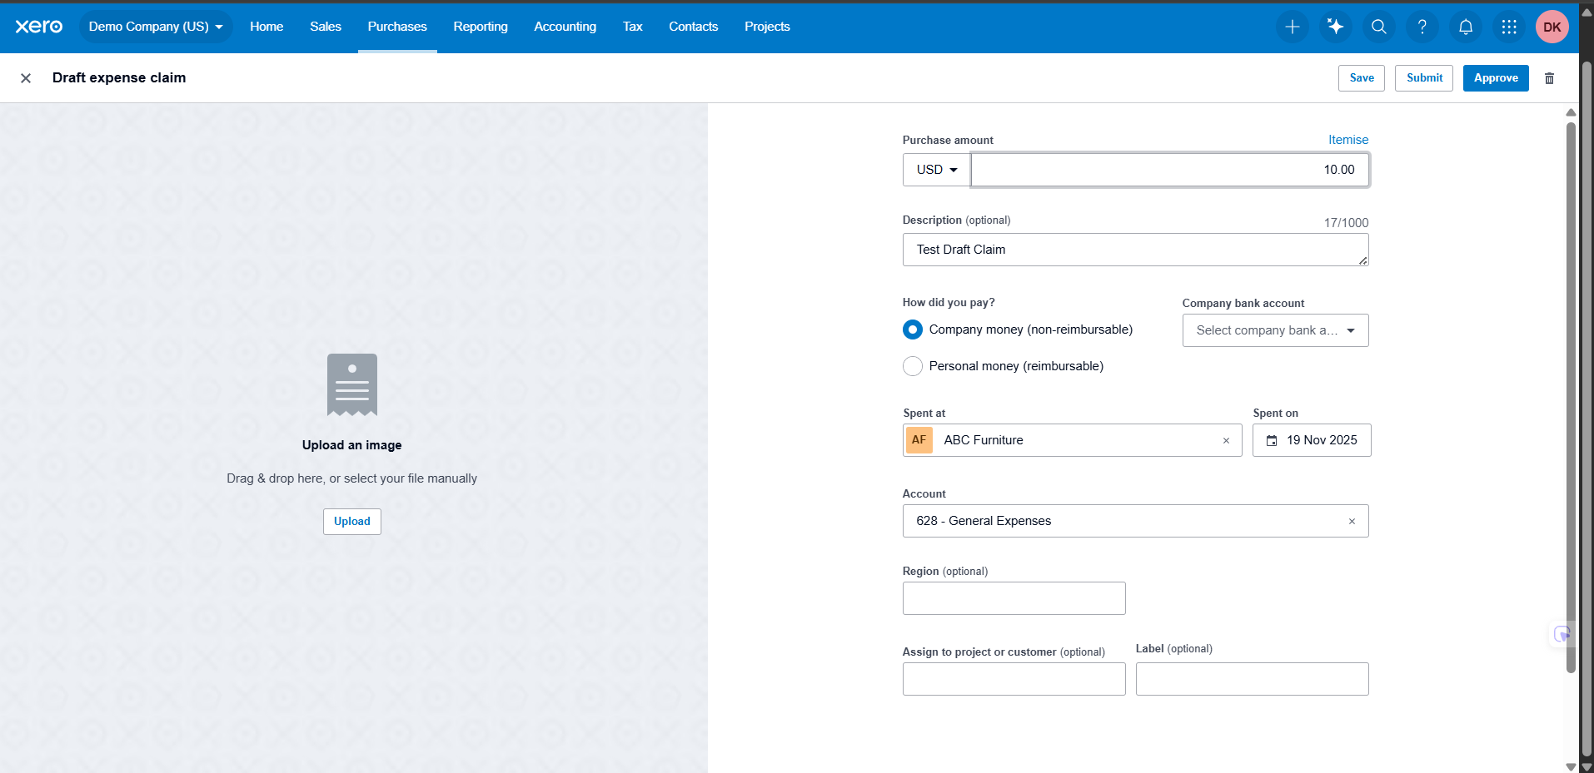

TC Description
 | Step | Step Description | Expected Results
 | 1 | Log in to Xero as Advisor and open Demo Company (US). | User is logged in and dashboard loads without UI distortion.
 | 2 | Navigate to Purchases and open the Expenses section. | Expense Claims page loads correctly with proper layout, heading, and spacing.
 | 3 | Locate a Draft expense claim and open it in edit mode. | Edit Expense Claim page opens with all fields fully visible and no misalignment.
 | 4 | Verify alignment and spacing of all input fields (Date, Category, Amount, Description, Tax, Receipt Upload). | All fields are properly aligned, evenly spaced, and not overlapping.
 | 5 | Check font style, size, and label visibility for all fields. | Labels use consistent fonts and sizes; text is readable and not cut off.
 | 6 | Verify required fields show the correct mandatory symbol (e.g., red asterisk). | Required fields display correct indicators; optional fields have no indicator.
 | 7 | Check button placement for Save, Submit, Cancel, and Delete. | Buttons are evenly spaced, aligned, clearly labeled, and visually consistent.
 | 8 | Hover over icons (Help, Attachments, More Options) to observe tooltip display. | Tooltip appears immediately with correct text and consistent styling.
 | 9 | Resize the browser window and observe responsiveness. | Layout adjusts properly; elements do not overlap or disappear.
 | 10 | Scroll down the page and check for flickering, shifting, or overlap. | Scrolling is smooth, layout remains stable, and no UI defects appear.

